PROOF
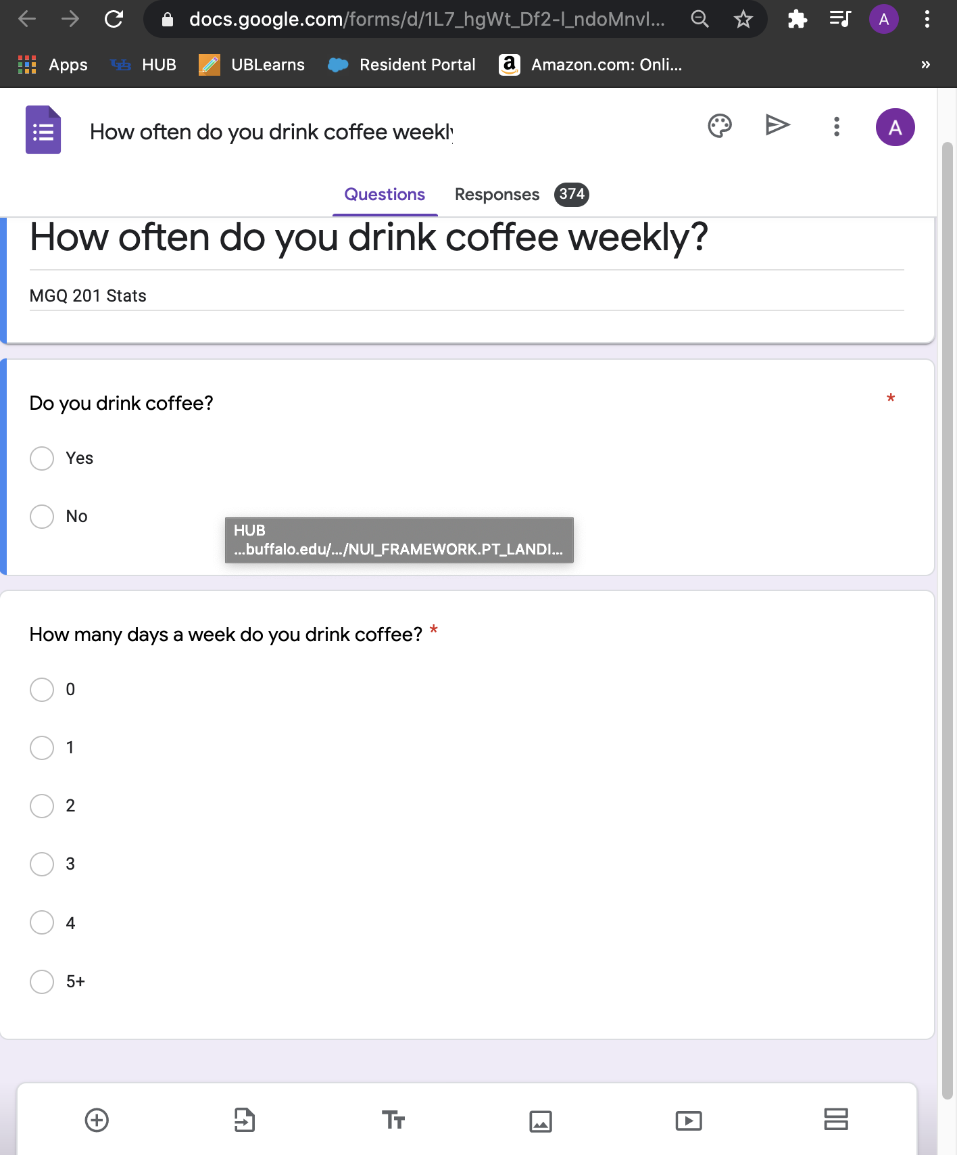
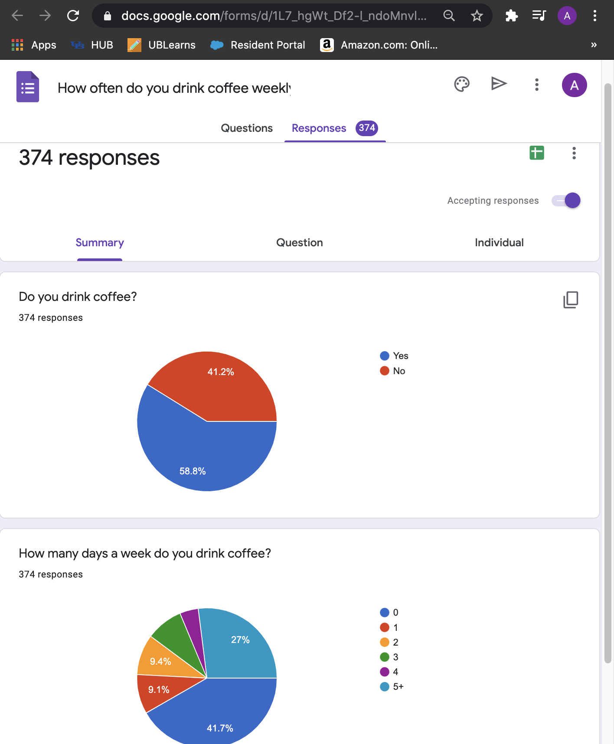
PROOF OF SURVEY (both questions)
https://forms.gle/ZsxnzpttTzLdAt8S8

Mean Data
Timestamp/Responses | How many days a week do you drink coffee?
11/18/20 | 0
11/18/20 | 3
How many days a week do you drink coffee?
11/18/20 | 0
11/18/20 | 5
11/18/20 | 3
11/18/20 | 2
11/18/20 | 0
11/18/20 | 0
11/18/20 | 0
11/18/20 | 0
11/18/20 | 0
11/18/20 | 0
11/18/20 | 0
11/18/20 | 0
11/18/20 | 0
11/18/20 | 0
11/18/20 | 5
11/18/20 | 5
11/18/20 | 4
11/18/20 | 4
11/18/20 | 0
11/18/20 | 2
11/18/20 | 2
11/18/20 | 0
11/18/20 | 5
11/18/20 | 5
11/18/20 | 5
11/18/20 | 5
11/18/20 | 5
11/18/20 | 0
11/18/20 | 5
11/18/20 | 5
11/18/20 | 4
11/18/20 | 5
11/18/20 | 2
11/18/20 | 5
11/18/20 | 5
11/18/20 | 5
11/18/20 | 0
11/18/20 | 0
11/18/20 | 2
11/18/20 | 3
11/18/20 | 1
11/18/20 | 2
11/18/20 | 0
11/18/20 | 1
11/18/20 | 1
11/18/20 | 3
11/18/20 | 0
11/18/20 | 2
11/18/20 | 2
11/18/20 | 3
11/18/20 | 5
11/18/20 | 0
11/18/20 | 0
11/18/20 | 1
11/18/20 | 3
11/18/20 | 0
11/18/20 | 0
11/18/20 | 0
11/18/20 | 2
11/18/20 | 3
11/18/20 | 0
11/18/20 | 0
11/18/20 | 0
11/18/20 | 5
11/18/20 | 0
11/18/20 | 4
11/18/20 | 0
11/18/20 | 2
11/18/20 | 0
11/18/20 | 0
11/18/20 | 0
11/18/20 | 5
11/18/20 | 0
11/18/20 | 0
11/18/20 | 0
11/18/20 | 5
11/18/20 | 5
11/18/20 | 5
11/18/20 | 2
11/18/20 | 0
11/18/20 | 5
11/18/20 | 0
11/18/20 | 0
11/18/20 | 5
11/18/20 | 5
11/18/20 | 0
11/18/20 | 5
11/18/20 | 0
11/18/20 | 1
11/18/20 | 3
11/18/20 | 5
11/18/20 | 5
11/18/20 | 0
11/18/20 | 5
11/18/20 | 5
11/18/20 | 0
11/18/20 | 4
11/18/20 | 0
11/18/20 | 0
11/18/20 | 5
11/18/20 | 0
11/18/20 | 0
11/18/20 | 0
11/18/20 | 0
11/18/20 | 0
11/18/20 | 5
11/18/20 | 5
11/18/20 | 3
11/18/20 | 5
11/18/20 | 0
11/18/20 | 0
11/18/20 | 5
11/18/20 | 1
11/18/20 | 5
11/18/20 | 4
11/18/20 | 5
11/18/20 | 3
11/18/20 | 0
11/18/20 | 0
11/18/20 | 0
11/18/20 | 5
11/18/20 | 2
11/18/20 | 5
11/18/20 | 3
11/18/20 | 0
11/18/20 | 5
11/18/20 | 3
11/18/20 | 5
11/18/20 | 4
11/18/20 | 5
11/18/20 | 0
11/18/20 | 0
11/18/20 | 1
11/18/20 | 0
11/18/20 | 5
11/18/20 | 5
11/18/20 | 0
11/18/20 | 2
11/18/20 | 5
11/18/20 | 3
11/18/20 | 0
11/18/20 | 1
11/18/20 | 4
11/18/20 | 5
11/18/20 | 0
11/18/20 | 0
11/18/20 | 5
11/18/20 | 1
11/18/20 | 5
11/18/20 | 5
11/18/20 | 1
11/18/20 | 0
11/18/20 | 0
11/18/20 | 2
11/18/20 | 5
11/18/20 | 1
11/18/20 | 0
11/18/20 | 0
11/18/20 | 1
11/18/20 | 0
11/18/20 | 5
11/18/20 | 0
11/18/20 | 0
11/18/20 | 0
11/18/20 | 0
11/18/20 | 1
11/18/20 | 5
11/18/20 | 0
11/18/20 | 0
11/18/20 | 0
11/18/20 | 0
11/18/20 | 5
11/18/20 | 0
11/18/20 | 3
11/18/20 | 1
11/18/20 | 0
11/18/20 | 0
11/18/20 | 5
11/18/20 | 5
11/18/20 | 0
11/18/20 | 0
11/18/20 | 0
11/18/20 | 0
11/18/20 | 1
11/18/20 | 0
11/18/20 | 1
11/18/20 | 2
11/18/20 | 2
11/18/20 | 5
11/18/20 | 1
11/18/20 | 0
11/18/20 | 5
11/18/20 | 2
11/18/20 | 0
11/18/20 | 5
11/18/20 | 0
11/18/20 | 4
11/18/20 | 1
11/18/20 | 5
11/18/20 | 2
11/18/20 | 2
11/18/20 | 0
11/18/20 | 0
11/18/20 | 0
11/18/20 | 4
11/18/20 | 0
11/18/20 | 5
11/18/20 | 3
11/18/20 | 1
11/18/20 | 0
11/18/20 | 2
11/18/20 | 5
11/18/20 | 0
11/18/20 | 0
11/18/20 | 5
11/18/20 | 5
11/18/20 | 0
11/18/20 | 0
11/18/20 | 3
11/18/20 | 0
11/18/20 | 0
11/18/20 | 5
11/18/20 | 2
11/18/20 | 3
11/18/20 | 0
11/18/20 | 2
11/18/20 | 0
11/18/20 | 2
11/18/20 | 2
11/18/20 | 3
11/18/20 | 5
11/18/20 | 0
11/18/20 | 1
11/18/20 | 0
11/18/20 | 3
11/18/20 | 3
11/18/20 | 0
11/18/20 | 1
11/18/20 | 5
11/18/20 | 1
11/18/20 | 5
11/18/20 | 5
11/18/20 | 0
11/18/20 | 5
11/18/20 | 0
11/18/20 | 5
11/18/20 | 0
11/18/20 | 5
11/18/20 | 5
11/18/20 | 5
11/18/20 | 5
11/18/20 | 5
11/18/20 | 4
11/18/20 | 0
11/18/20 | 5
11/18/20 | 5
11/18/20 | 0
11/18/20 | 5
11/18/20 | 3
11/18/20 | 2
11/18/20 | 5
11/18/20 | 2
11/18/20 | 5
11/18/20 | 0
11/18/20 | 1
11/18/20 | 4
11/18/20 | 5
11/18/20 | 0
11/18/20 | 2
11/18/20 | 5
11/18/20 | 0
11/18/20 | 5
11/18/20 | 0
11/18/20 | 0
11/18/20 | 0
11/18/20 | 1
11/18/20 | 0
11/18/20 | 0
11/18/20 | 0
11/18/20 | 0
11/18/20 | 0
11/18/20 | 2
11/18/20 | 0
11/18/20 | 2
11/18/20 | 0
11/18/20 | 0
11/18/20 | 1
11/18/20 | 5
11/18/20 | 2
11/19/20 | 0
11/19/20 | 0
11/19/20 | 1
11/19/20 | 0
11/19/20 | 5
11/19/20 | 4
11/19/20 | 3
11/19/20 | 2
11/19/20 | 0
11/19/20 | 3
11/19/20 | 0
11/19/20 | 0
11/19/20 | 4
11/19/20 | 3
11/19/20 | 3
11/19/20 | 2
11/19/20 | 3
11/19/20 | 0
11/19/20 | 0
11/19/20 | 5
11/19/20 | 5
11/19/20 | 5
11/19/20 | 5
11/19/20 | 5
11/19/20 | 2
11/19/20 | 5
11/19/20 | 0
11/19/20 | 0
11/19/20 | 0
11/19/20 | 3
11/19/20 | 1
11/19/20 | 0
11/19/20 | 1
11/19/20 | 3
11/19/20 | 0
11/19/20 | 5
11/19/20 | 5
11/19/20 | 0
11/19/20 | 0
11/19/20 | 3
11/19/20 | 0
11/19/20 | 0
11/19/20 | 0
11/19/20 | 0
11/19/20 | 5
11/19/20 | 0
11/19/20 | 0
11/19/20 | 3
11/19/20 | 5
11/19/20 | 1
11/19/20 | 3
11/19/20 | 5
11/19/20 | 0
11/19/20 | 1
11/19/20 | 1
11/19/20 | 0
11/19/20 | 0
11/19/20 | 0
11/19/20 | 5
11/19/20 | 3
11/19/20 | 1
11/19/20 | 0
11/19/20 | 5
11/19/20 | 4
11/19/20 | 0
11/19/20 | 5
11/19/20 | 0
11/19/20 | 0
11/19/20 | 1
11/19/20 | 4
11/20/20 | 5
11/20/20 | 0
11/20/20 | 0
11/20/20 | 0
11/21/20 | 0
11/21/20 | 0
11/22/20 | 5
11/22/20 | 2
11/22/20 | 1
11/24/20 | 0
11/25/20 | 2
11/30/20 | 5
12/4/20 | 5

Confidence Interval (Mean)
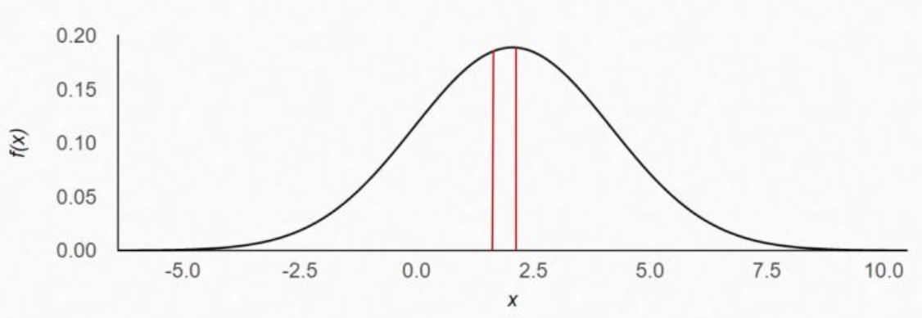
t Hypothesis Test for Population Mean ( when sigma is unknown )
t Test Two-Tail Test
Data
Level of Significance (Alpha Risk) | 5%
Sample Mean | 2.056
Sample Standard Deviation | 2.111
Confidence Level | 95%
Sample Size (n) | 374

Standard Error of the Mean | 0.109
Degrees of Freedom | 373
Critical Values (+/-) | 1.966
Margin of Error | 0.215

Lower Confidence Limit | 1.842
Upper Confidence Limit | 2.271

Hypothesis Test (Proportion)
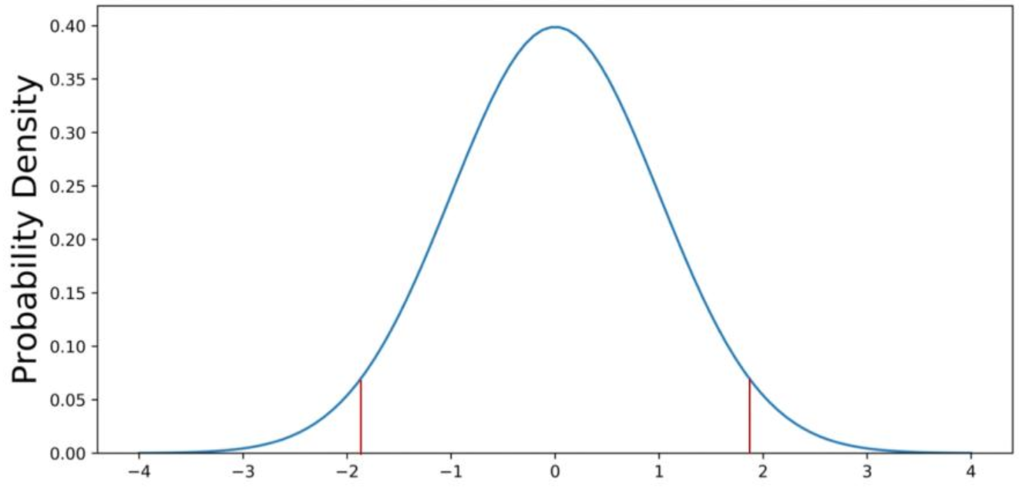
z test Hypothesis test of the proportion
Two-Tail Test
Data (link to article)
Null Hypothesis: The proportion of coffee drinkers for UB students follow the United States trend.
Alternative Hypothesis: The proportion of coffee drinkers for UB students do not follow the United States trend.
H₀ = | 0.62
Hₐ ≠ | 0.62
Sample Proportion | 59%
Sample Size | 374
Level of Confidence | 95%

Alpha Risk | 5%
q-Value | 41%
Standard Error of the Proportion | 0.025
Z-Test Statistic | -1.180
Critical Value (+/-) | 1.960
Margin of Error | 0.050

P Value | 0.238

Fail to Reject the Null Hypothesis

Conclusion: Based on our sample evidence, we can fail to reject the claim that the proportion of coffee drinkers around us follow the United States trend.

